EVD_FIN 02-02
Test Case ID | FIN01-02
Test Case Summary | Lakukan entry manual Received Voucher

Step # | Test Evidence | Re-Test Evidence (if found Bug/Issue)
1
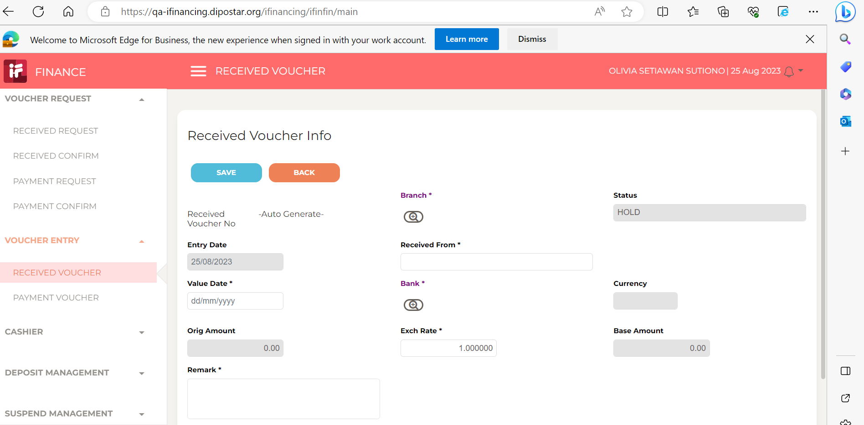

2
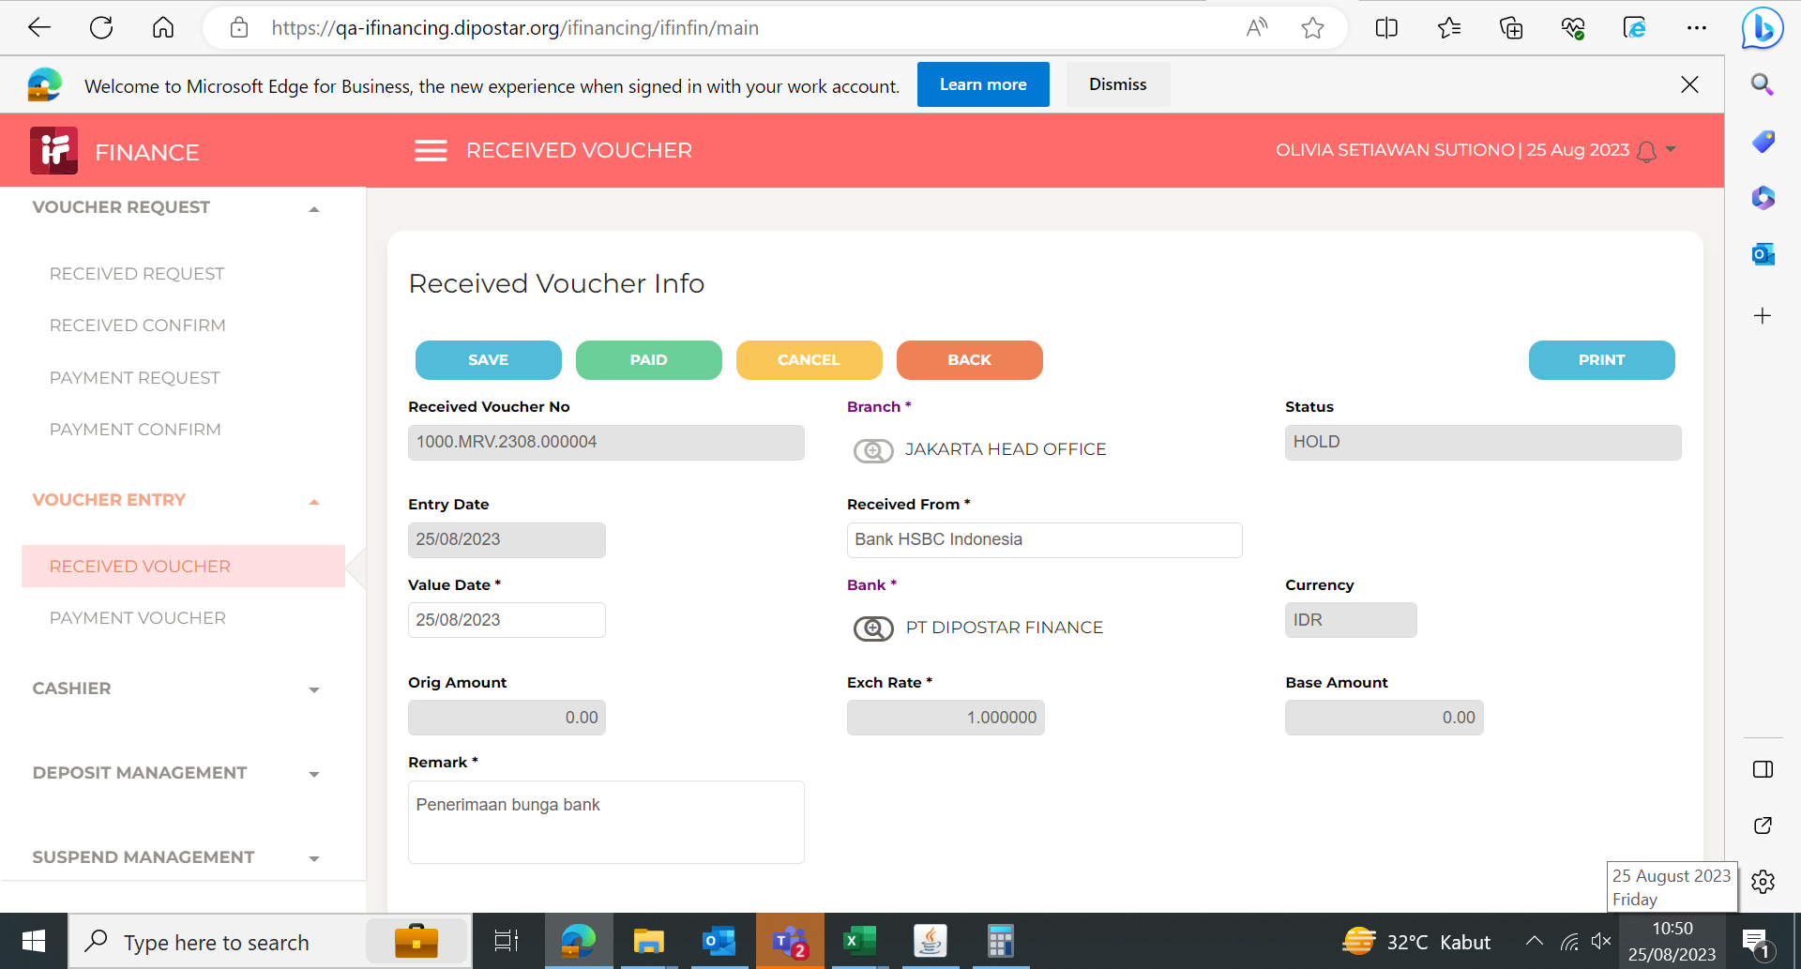

3

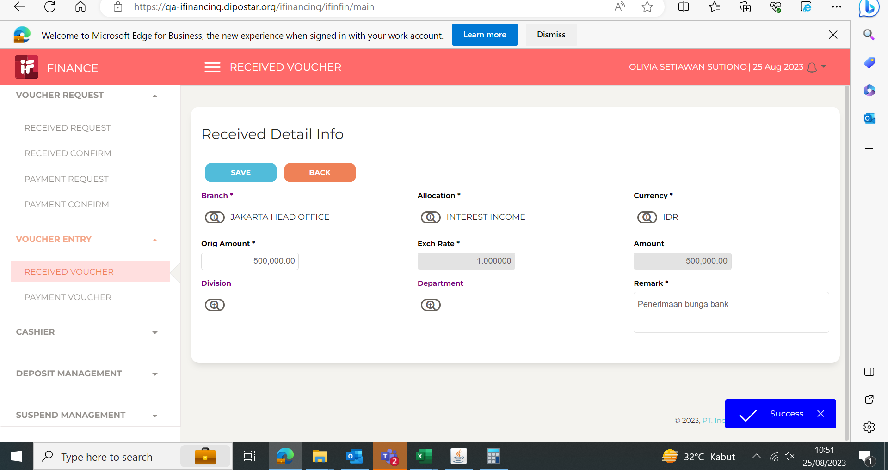

4
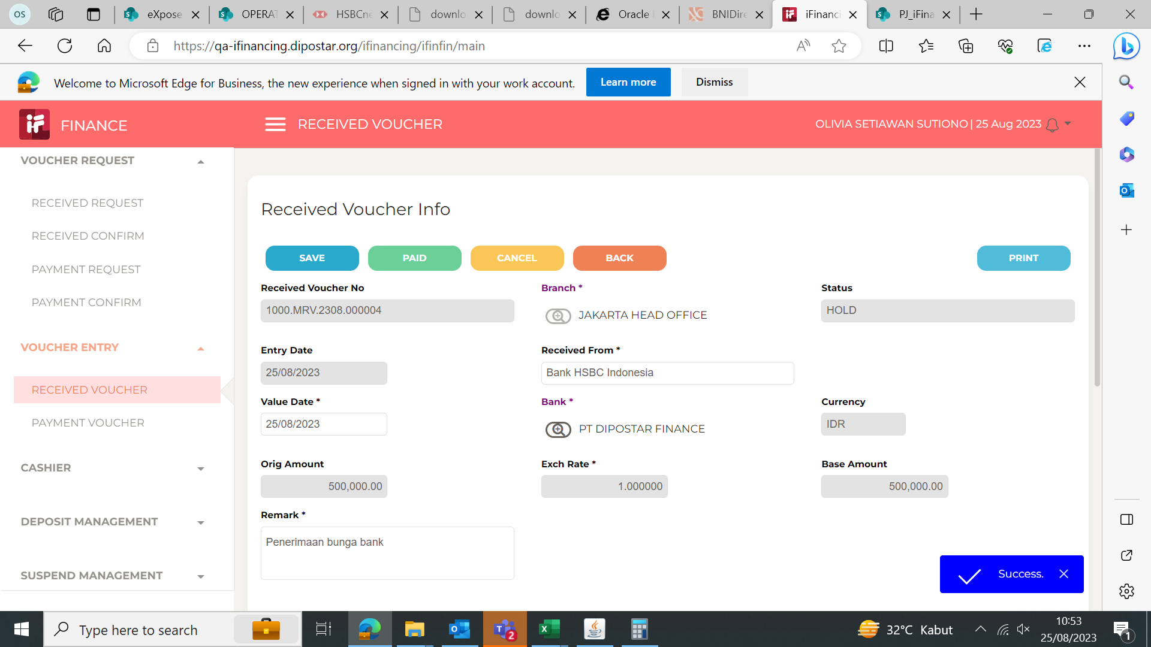

5
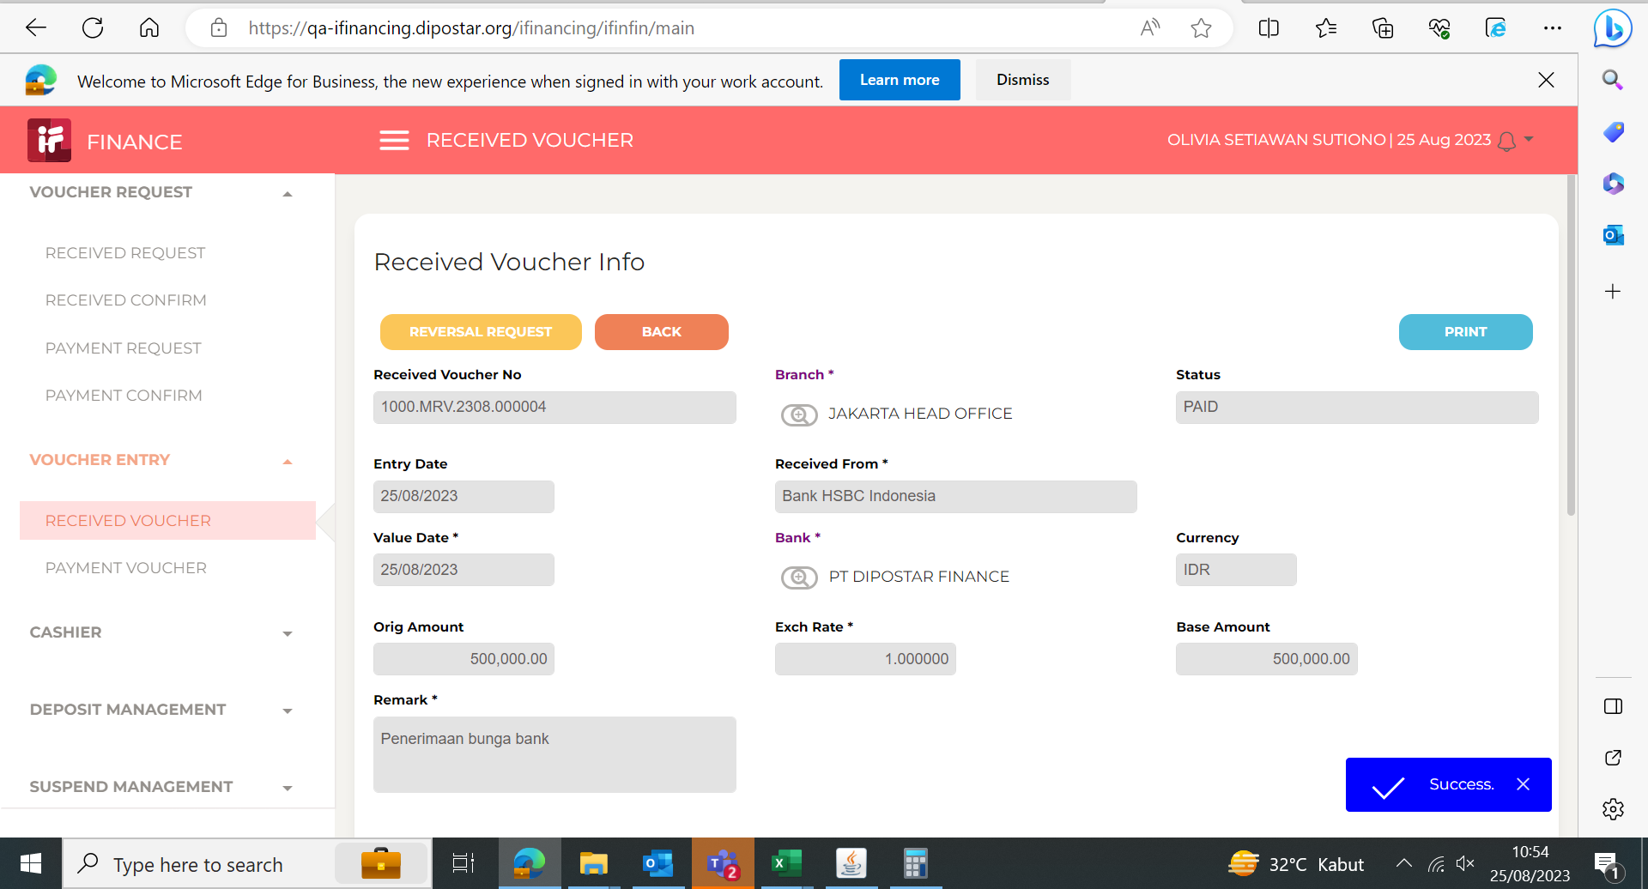
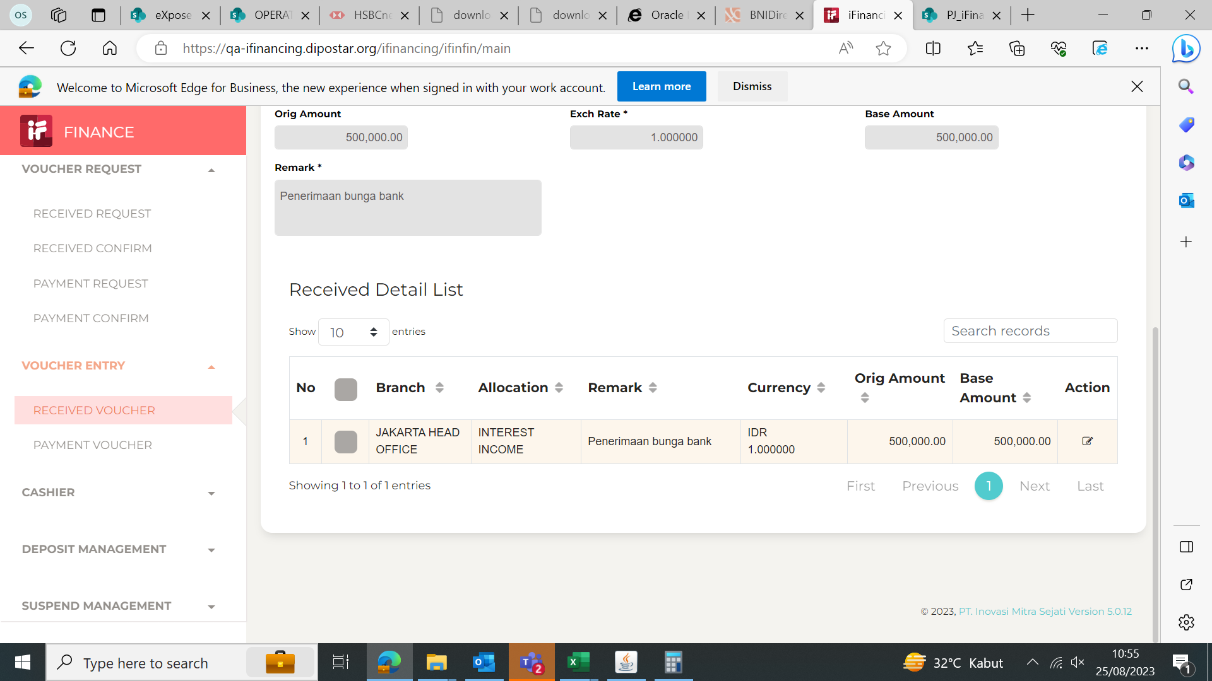

6

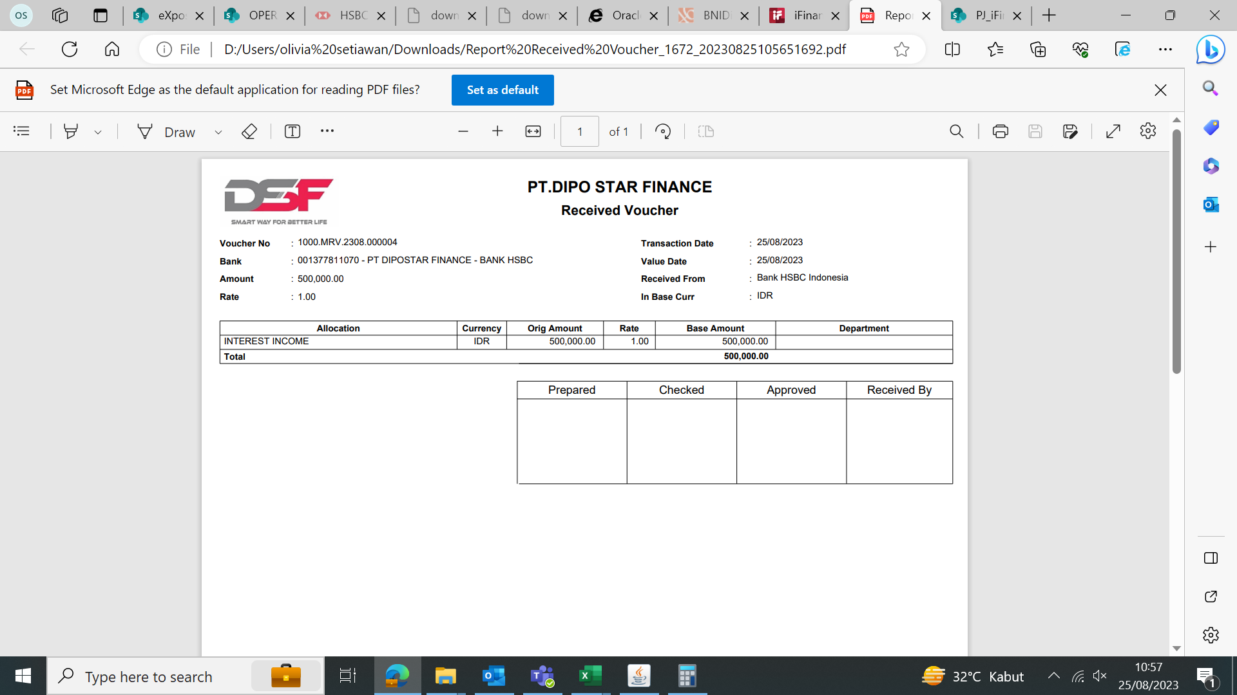

7

8

9

10

11

13

14

15

16

17

18

19

20

21

22

36

37

38

39

41

43

44

45

46

